New customer
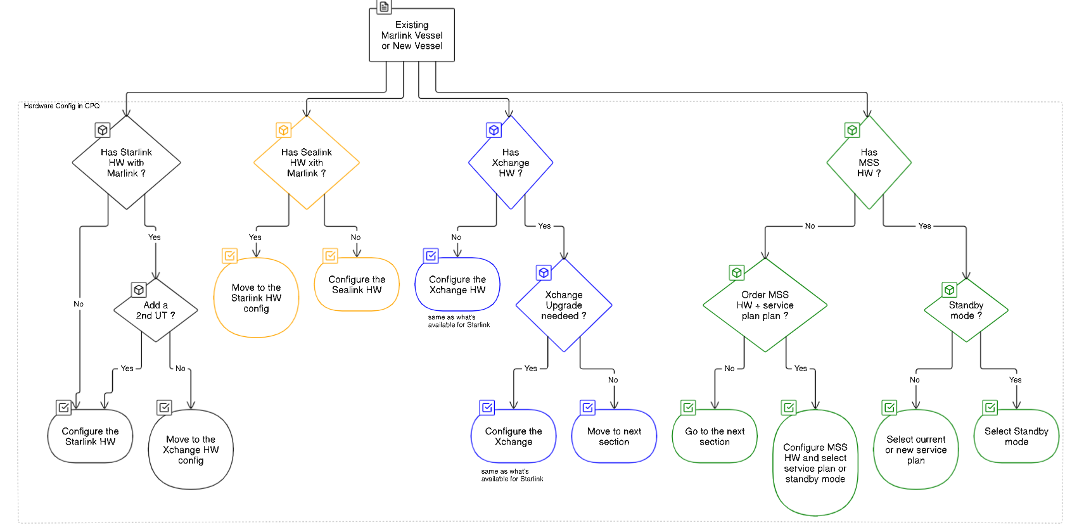

New customer = new SNG customer or new MSS back up customer

